INDEX
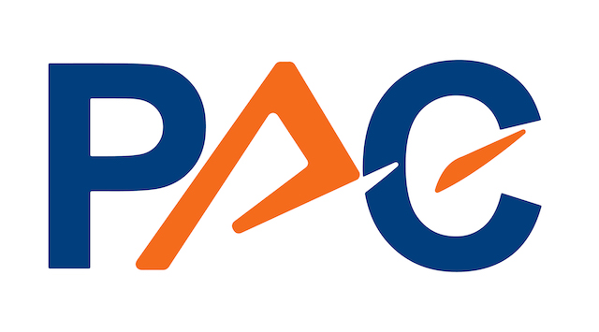

Type of information delivered | Market Figures - Services & Consumers Sector | LIST OF CHARTS AND TABLES
Country/Region | Germany
Products & Services | ALL | Fig. 1. Germany - IT Market in the Services & Consumers Sector 2022 - 2028: Market Volumes by Segment
Vertical | Services & Consumers Sector | Fig. 2. Germany - IT Market in the Services & Consumers Sector 2022 - 2028: Growth Rates by Segment
Currency | EUR | Fig. 3. Germany - IT Expenditure in the Services & Consumers Sector 2022 - 2028 by Category
Year of Figures | 2022 to 2028 | Fig. 4. Germany - IT Expenditure in the Services & Consumers Sector 2022 - 2028: Growth Rates by Category
Publication Date | 2024-02-01 | Fig. 5. Germany - IT Services Market in the Services & Consumers Sector 2022 - 2028: Market Volumes by Vertical Sub-Sectors
Contact Person | Karsten Leclerque | Fig. 6. Germany - IT Services Market in the Services & Consumers Sector 2022 - 2028: Growth Rates by Vertical Sub-Sectors
 |  | Fig. 7. Germany - Software & Cloud Platforms Market in the Services & Consumers Sector 2022 - 2028: Market Volumes by Vertical Sub-Sectors
 |  | Fig. 8. Germany - Software & Cloud Platforms Market in the Services & Consumers Sector 2022 - 2028: Growth Rates by Vertical Sub-Sectors
 |  | Fig. 9. Germany - IT Expenditure in the Services & Consumers Sector 2022 - 2028: by Vertical Sub-Sectors
 |  | Fig. 10. Germany - IT Expenditure in the Services & Consumers Sector 2022 - 2028: Growth Rates by Vertical Sub-Sectors
Please note that all figures in this file are DUMMY figures!!!
 |  | Graphs

 |  | Fig. 11. Germany - IT Market in the Services & Consumers Sector 2024 and 2028: Shares of Segments
 |  | Fig. 12. Germany - Share of the Services & Consumers Sector in Total IT Expenditure 2024
 |  | Fig. 13. Germany - Software & Cloud Platforms Market in the Services & Consumers Sector:
 |  | Market Volumes 2024 and 2028 (in m EUR) and Compound Annual Growth Rates
 |  | Fig. 14. Germany - IT Services Market in the Services & Consumers Sector:
 |  | Market Volumes 2024 and 2028 (in m EUR) and Compound Annual Growth Rates
 |  | Fig. 15. Germany - IT Expenditure in the Services & Consumers Sector:
 |  | Volumes 2024 and 2028 (in m EUR) and Compound Annual Growth Rates

 |  | Segmentation
 |  | About PAC

Graphs
 | Hardware Market | BPO | Application-Related Services | Infrastructure-Related Services | Public IaaS/ PaaS | Software as a Service (SaaS) | Application Software Products | Infrastructure Software & Platforms
2024 | 40.9% | 2.7% | 8.9% | 9.2% | 4.8% | 15.2% | 10.8% | 7.5%
2028 | 39.5% | 3.1% | 9.1% | 9.4% | 5.1% | 15.1% | 10.9% | 7.8%
 |  |  | Total IT Expenditure in Germany by Verticals
 |  |  |  | 2024
 |  |  | Manufacturing | 55,209
 |  |  | Banking | 18,865
 |  |  | Insurance | 10,226
 |  |  | Public Sector | 26,500
 |  |  | Telecom | 8,590
 |  |  | Utilities | 10,276
 |  |  | Retail & Wholesale | 11,587
 |  |  | Services & Consumers | 26,753
 |  |  | Transport | 7,220
 |  |  | TOTAL | 175,228

Fig. 11. Germany - IT Market in the Services & Consumers Sector 2024 and 2028: | Fig. 12. Germany - Share of the Services & Consumers Sector
Shares of Segments | in Total IT Expenditure 2024

Software & Cloud Platforms: Market Volumes and CAGR by Vertical Sub-Segment
 | 2024 |  | 2028 |  | CAGR 24/28
Media | 361 | Media | 401 | Media | 2.7%
Real Estate/Facility Management | 179 | Real Estate/Facility Management | 219 | Real Estate/Facility Management | 5.2%
Professional Services | 908 | Professional Services | 948 | Professional Services | 1.1%
Tourism | 249 | Tourism | 289 | Tourism | 3.8%
Consumers | 749 | Consumers | 789 |  | 1.3%
 |  | Please note that all figures in this file are DUMMY figures!!!

Fig. 13. Germany - Software & Cloud Platforms Market in the Services & Consumers Sector:
Market Volumes 2024 and 2028 (in m EUR) and Compound Annual Growth Rates

IT Services: Market Volumes and CAGR by Vertical Sub-Segment
 | 2024 | 2028 | CAGR 24/28
Media | 338 | 378 | 2.8%
Real Estate/Facility Management | 157 | 197 | 5.8%
Professional Services | 598 | 638 | 1.6%
Tourism | 188 | 228 | 4.9%
Consumers | 74 | 114 | 11.4%

Fig. 14. Germany - IT Services Market in the Services & Consumers Sector:
Market Volumes 2024 and 2028 (in m EUR) and Compound Annual Growth Rates

IT Expenditure by Vertical Sub-Segment
 | 2024 | 2028 | CAGR 24/28
Media | 1,722 | 1,762 | 0.6%
Real Estate/Facility Management | 632 | 672 | 1.5%
Professional Services | 3,303 | 3,343 | 0.3%
Tourism | 975 | 1,015 | 1.0%
Consumers | 2,378 | 2,418 | 0.4%

Fig. 15. Germany - IT Expenditure in the Services & Consumers Sector:
Volumes 2024 and 2028 (in m EUR) and Compound Annual Growth Rates

