INDEX
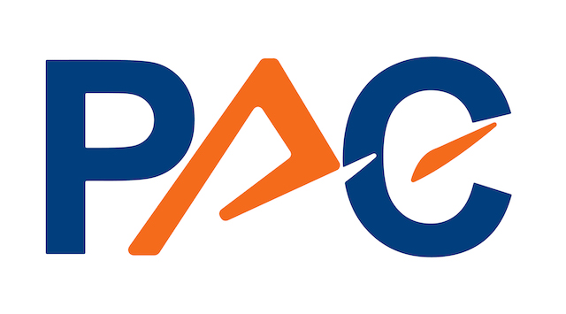
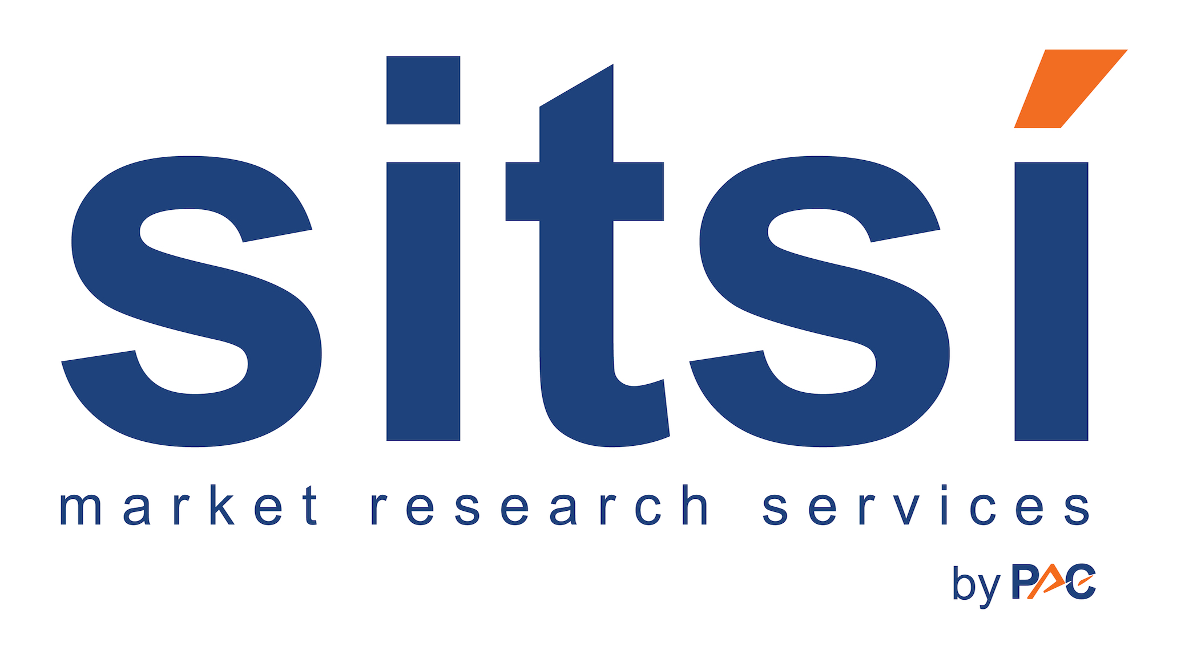
Please note that all figures in this file are DUMMY figures!!!

Type of information delivered | Market Figures - Generative Artificial Intelligence (Gen AI) | LIST OF CHARTS AND TABLES
Country/Region | Germany
Products & Services | Software & Cloud Platforms, IT Services | Fig. 1. Germany - GenAI Market 2021-2027: Market Volumes by Segment
Verticals | NO | Fig. 2. Germany - GenAI 2021-2027: Growth Rates by Segment
Reference Currency | EUR | Fig. 3. Germany - GenAI Market 2023 and 2027:
Year of Figures | 2021 to 2027 | Fig. 4. Germany - GenAI Market 2021-2027: Growth Rates of Products and Services
Publication Date | 2023-10-20 | Topic segmentation
Contact Person | Joachim Hackmann | Generic segmentation

Note: In our market figures, we consider AI-enabling software, platforms and services, ie, enabling a company to onboard and train AI models and to develop new/ upgrade existing applications accordingly. However, we exclude AI-enabled software, platforms and services as increasingly all software & platforms – as well as all software development or operational services - are starting to incorporate AI to varying degrees. The PAC model focuses on software, cloud platforms and IT services, while we exclude hardware. As AI requires huge and very specific processing capacities, the hardware market is already generating significant revenue, in particular for vendors such as Nvidia. However a substantial part of this revenue is generated by the AI platform vendors, which means that adding volumes for hardware, software and cloud platforms would lead to a double-counting of investment.

Graphs_Market
Generative Artificial Intelligence (Gen AI) I Germany I 2023
SITSI I Horizontals I Market Figures - Graphs
Please note that all figures in this file are DUMMY figures!!! |  | For any questions concerning this report, please contact
 |  | Joachim Hackmann

 | 2023 | 2027
Software & Cloud Platforms | 3 | 7
Consulting (incl. Management & IT Consulting) | 10 | 14
Application-related SI* & AM** | 17 | 21
Infrastructure-related SI, Managed Services & Hosting | 24 | 28
2023
 | Software & Cloud Platforms | Consulting (incl. Management & IT Consulting) | Application-related SI* & AM** | Infrastructure-related SI, Managed Services & Hosting
21/22 | 100.0% | 12.5% | 6.7% | 4.5%
22/23 | 50.0% | 11.1% | 6.3% | 4.3%
23/24 | 33.3% | 10.0% | 5.9% | 4.2%
24/25 | 25.0% | 9.1% | 5.6% | 4.0%
25/26 | 20.0% | 8.3% | 5.3% | 3.8%
26/27 | 16.7% | 7.7% | 5.0% | 3.7%

Fig. 3. Germany - GenAI Market 2023 and 2027: | Fig. 4. Germany - GenAI Market 2021-2027: Growth Rates of Products and Services
Shares of Products and Services

*System Integration **Application Management

